eLearning Project Plan Template
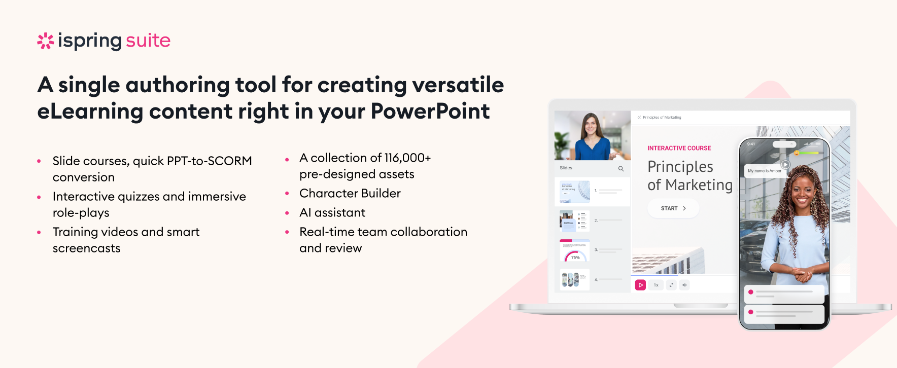
 | Enter the name of the eLearning project.
 | Name of the person responsible for managing the project.
Key Business Outcomes | Describe the main business goals the eLearning project aims to achieve.
Project Timeline | Enter the start and end days of the project.

 | Provide a 3-4 sentence description of your training project. Highlight the context and include details on how it aligns with the organization's goals, and any anticipated challenges. You can also outline the main methodology used.
Target Audience | Describe the employees or teams who will benefit from the training, including their job roles, departments, and specific training needs.
 | After completing this training, learners will be able to... 1. 2. 3.
Project Stakeholders | List all stakeholders involved in the project, along with their roles.
Subject Matter Experts (SMEs) | Names and roles of the SMEs contributing to the project.

Team members | List all team members, including their roles and responsibilities.
Software/Tools | Software and tools required for content creation, content testing, delivery, and training evaluation.
Hardware Requirements | Specify any hardware needed for the project, such as computers, cameras, etc.
Training and Support | Detail any training programs or workshops required to equip the team with the necessary skills and knowledge (if any) to complete the project successfully.
Access and Permissions | Detail the access and permissions needed for team members to collaborate effectively.
Estimated Budget | Consider all projected costs, specifying allocations for software licenses, content development, personnel, hardware, and other relevant expenses. Include contingency funds to cover unforeseen costs and ensure the project stays within budget.

iSpring Community
Welcome to the iSpring Community!

LinkedIn Knowledge Hub → |  | Guides →
Connect with others in your field, ask questions, share your own expertise, and take part in discussions. |  |  Get step-by-step directions on how to create and launch eLearning.
Webinars → | Blog → | YouTube →
 Get eLearning tips and tricks from top-notch industry experts |  Explore the exciting world of eLearning together with our helpful articles and how-tos. |  Enjoy weekly eLearning videos and don’t forget to subscribe.

